Introduction
The Economic Benefits of Providing Nonmedical Volunteer Assistance to Older Adults: Impact on Care Recipient Loneliness
Introduction

Community Care Corps (C3) supports local-level organizations to provide volunteer-based nonmedical assistance to family caregivers, older adults, and adults with disabilities. The program’s overarching goal is to help older adults and adults with disabilities maintain independence in the community. The Administration for Community Living (ACL) funds the program; Oasis, Caregiver Action Network, and USAging administer it; and Altarum evaluates its impact.
Through working with C3 programs, Oasis and Altarum have developed a customizable tool that enables organizations to measure the economic benefits of providing nonmedical volunteer assistance. More specifically, the tool uses several data sources and analytic steps to measure nonmedical volunteer assistance’s impact on loneliness, downstream nursing home admissions, and associated Medicaid cost savings.
This tool aims to help nonmedical volunteer assistance programs make credible economic arguments for pursuing new partnerships. These arguments may be particularly convincing to policymakers, health insurance plans, traditional philanthropists, and other stakeholders who are interested in both social impact and financial returns. These partnerships could bring new funding, referrals, and other valuable resources critical to the long-term sustainability of nonmedical volunteer assistance programs.
To use the tool, users first identify their state and the number of people ages 51 and over who receive nonmedical volunteer assistance. Next, they enter survey results collected from care recipients in their programs. These survey results must include the care recipient’s age, sex, duration of the services, and responses to the UCLA Three-Item Loneliness Scale questions.¹ The tool then combines these data with the results from an analysis of Health and Retirement Study (HRS) data comprising a nationally representative sample of older adults ages 51 and over.² This analysis estimates the association between loneliness and nursing home admissions. Finally, the tool estimates state-specific Medicaid savings on nursing home care from one year of nonmedical volunteer assistance. This approach is summarized in more detail Methods and Data Sources tab.
Based on these results, the economic benefits tool generates a summary statement that nonmedical volunteer assistance programs may use to communicate their results. The tool does not generate results if survey responses indicate equal or higher loneliness among care recipients than non-recipients. However, this does not necessarily indicate that nonmedical volunteer services negatively impact the loneliness of care recipients or have no effect on lonliness. Furthermore, nursing home admissions are just one possible outcome of reduced loneliness, and decreased loneliness is just one of many potential benefits of nonmedical volunteer services.
Sources
¹ Hughes ME, Waite LJ, Hawkley LC, Cacioppo JT. A Short Scale for Measuring Loneliness in Large Surveys: Results From Two Population-Based Studies. Res Aging. 2004;26(6):655-672. doi:10.1177/0164027504268574
² University of Michigan. Health and Retirement Study Public Survey Data. https://hrs.isr.umich.edu/data-products
Suggest Citation
Miller G, McCall S, Dawson H, Paige S. The Economic Benefits of Providing Nonmedical Volunteer Assistance to Older Adults. Published online June 26, 2024. [Insert Link]

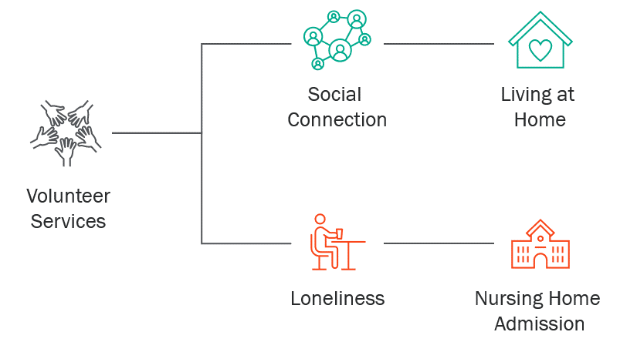
Figure: Conceptual Model of the Associations Between Nonmedical Volunteer Services, Loneliness, and Nursing Home Admissions

Instructions and Results
The Economic Benefits of Providing Nonmedical Volunteer Assistance to Older Adults: Impact on Care Recipient Loneliness
Economic Benefits Calculator

Instructions
Step 1: Provide Your Program Size and Location
Select your state from the dropdown list below and indicate how many individuals you serve who are ages 51 and older.
Select Your State: | AK
Number of Care Recipients Ages 51 and Over: | 0

Step 2: Enter Survey Data
Navigate to the Survey Data tab and input the survey responses in the correct columns. You can do this by either copying and pasting the values from another data source, or by manually entering the data. Please make sure to collect responses from both individuals who have received services and those who have not yet received services, in order for the tool to function properly. If you have multiple responses for a single individual collected at different points in time, you can enter them all. Note that respondents who are under the age of 51 or who provided incomplete data will be automatically excluded from the analyses below.
Click Here to Enter Survey Data

Care Recipients Who Have Not Received Services Yet: | 0
Care Recipients Who Have Received Services: | 0
Total Valid Survey Responses: | 0

Results

Table 1. Percentage of Care Recipients Who Were Lonely Before and After Receiving Nonmedical Volunteer Assistance
Loneliness Rate for Care Recipients Who Have Not Received Services Yet | -
Loneliness Rate for Care Recipients Who Have Received Services | -
Percentage Point Difference in Loneliness Rate | -
Percent Difference in Loneliness Rate | -

Table 2. Estimated Number of Nursing Home Admissions With and Without Nonmedical Volunteer Assistance and Associated Cost Savings, 2024
Estimated Number of Nursing Home Admissions Without Nonmedical Volunteer Assistance | -
Estimated Number of Nursing Home Admissions With Nonmedical Volunteer Assistance | -
Difference in the Estimated Number of Nursing Home Admissions | -
Percent Difference in the Estimated Number of Nursing Home Admissions | -
Average Cost of Medicaid-Funded Nursing Home Care in Alaska | -
Medicaid Savings from One Year of Nonmedical Volunteer Services | -

Summary of Findings
Survey data did not indicate that people who received nonmedical volunteer assistance from your organization felt less lonely than people who did not. Therefore, measuring the cost savings associated with reduced nursing home utilization was impossible.

Methods and Data Sources
The Economic Benefits of Providing Nonmedical Volunteer Assistance to Older Adults: Impact on Care Recipient Loneliness
Methods and Data Sources

The economic benefits tool first estimates the probability of nursing home admissions among care recipients. This analysis draws on two sources: survey responses from care recipients, and data from the Health and Retirement Study, a nationally representative survey of older adults ages 51 and over. The tool then uses state-specific nursing home cost data to estimate the cost savings to Medicaid that result from both reduced loneliness and nursing home admissions. Additional information regarding these data sources and methods is provided below.
Loneliness and Nursing Home Admissions
We used data from the HRS survey to analyze the impact of loneliness scores on nursing home admissions. The HRS is a nationally representative, longitudinal survey that captures trends related to health, employment, and assets among people ages 51 and over in the US. We used data from 2006 to 2018 to ensure a large sample size. We excluded recent years of data as the long-term impact of the pandemic on nursing home admissions is still unknown. Questions from the UCLA Three-Item Loneliness Scale are included in a supplemental survey given to 50% of the HRS sample on a rotating basis every four years. We assessed nursing home placement within four years after the baseline year, the same follow-up period used in an earlier study.¹ In our logistic regression model, we controlled for the UCLA loneliness score, ranging from 3 to 9 for each respondent, the time period of responses, and a binary variable for people who require assistance with two or more instrumental activities of daily living at baseline. Preliminary C3 survey data suggested this is the typical level of need among care recipients. All variables were statistically significant, and our model was well-calibrated to predict nursing home admissions.
Applying the Analysis of National Survey Data to C3 Survey Data
The regression model described above produced a probability of nursing home admission within the next four years for each loneliness score value from 3 to 9. The tool matches these probabilities to survey respondents based on their reported loneliness scores. This allowed computing an overall probability for respondents who had not yet received nonmedical volunteer assistance and an overall probability for those currently receiving assistance. Multiplying these probabilities by the number of assistance recipients ages 51 and older provides an expected number of future nursing home admissions for those receiving assistance and an expected number of future admissions for the same number of individuals who have not yet received assistance. We used actuarial life tables from the Social Security Administration to account for each individual’s mortality risk before nursing home placement based on age and sex.²
We exclude respondents with missing data or an age over 117, unless gender is missing. In such cases, we assume the gender to be female (the more commonly reported sex) and include these responses in the analysis. This method increases the sample size, and any resulting errors have minimal impact on the analysis outcomes.
While the tool uses a detailed loneliness score, it also computes the percentage of care recipients and non-recipients who are lonely, defined as having a loneliness score greater than 5, the standard threshold for the UCLA scale. The tool includes these figures to assist nonmedical volunteer assistance programs in communicating their impact on care recipients.
Estimating the Cost of Avoided Nursing Home Admissions
We obtained commercial nursing home costs per year for semi-private care by state in 2023 from the Genworth Cost of Care Survey.³ We assume that many C3 respondents were already enrolled in Medicaid or would become Medicaid-eligible following a nursing home placement, so we multiplied commercial costs by 70% to approximate Medicaid costs.⁴ Finally, we discounted that estimate by 3% per year for two years to reflect the typical period an individual would be admitted to the nursing home within four years. The tool then multiplies the state-specific annual cost of Medicaid-funding nursing home care by the projected number of admissions for those receiving assistance and those who have not yet received assistance. We assessed a single year of nursing home costs to reflect the benefit from a single year of assistance, even though a nursing home stay would generally be for multiple years. The difference in these two costs represents the Medicaid savings per year.
Sources
¹ Russell DW, Cutrona CE, De La Mora A, Wallace RB. Loneliness and nursing home admission among rural older adults. Psychology and Aging. 1997;12(4):574-589. doi:10.1037/0882-7974.12.4.574
² U.S. Social Security Administration. Actuarial Life Table. Published online May 6, 2024. https://www.ssa.gov/oact/STATS/table4c6.html#fn1
³ Cost of Care Survey. Genworth. Published February 22, 2024. https://www.genworth.com/aging-and-you/finances/cost-of-care
⁴ 2021 Nursing Home Costs by State and Region. American Council on Aging. Published March 4, 2022. https://www.medicaidplanningassistance.org/nursing-home-costs/

